40'ft
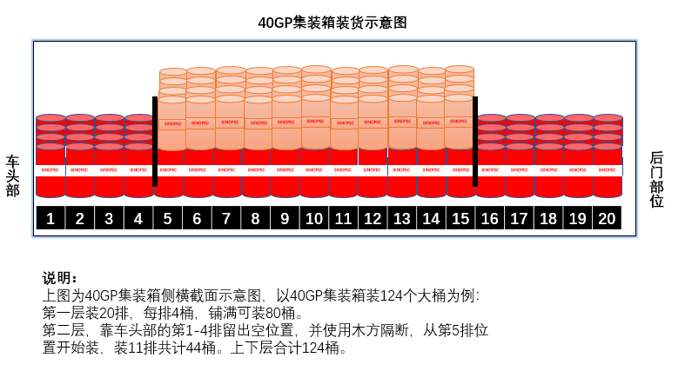
TALLY SHEET
ORDER NO : |  | 曾令夏-REBA-CONGO23-36 |  | DO NO : | 8035894226 | M
BOOKING REF: |  | GOSUSIN8139372 |  | CONTAINER SIZE: | 40 WITH PALLET
CONTAINER NO : |  |  |  | IN DATE :
SEAL NO : |  |  |  | OUT DATE:
S/N | Product Code | Product Description | Pack Size | Batch No | Qty(UOM) | Remark
1 | 0609100063003543 | SINOPEC\TULUX T500\E7/CI-4 15W-40 Diesel engine oil 200L/200L closed steel drum(S) | 200L DRUMS | 2307211002 | 120.000
Total Quantity： |  |  |  |  | 120.000
Wooden Wedges Qty: |  |  |  | Palletised & Wrapping YES
Plywood Qty: |  |  |  | Stamping NO
Wooden Pallet Qty: |  |  |  | Fumigation NO

Form prepared SooYee Date 24/07 |  |  |  | Product prepared Date
Stuffer Date |  |  |  | Supervise Date

REMARKS: BV INSPECTION 27 JUL @ 9AM, witness loading and sealing

